1. Title Page
Python Project

Project Name: Instacart Grocery Basket Analysis Date: 8/23/2025
Analyst Name: William Zakrzewski
Project Details: This project examines instacart purchasing patterns amongst customers on the app. This analysis including graphs/figures were completed solely in python.

Table of Contents:
Population Flow
Consistency checks
Wrangling steps
Column derivations
Visualizations
Recommendations

Original Data Source: “The Instacart Online Grocery Shopping Dataset 2017”, Accessed from www.instacart.com/datasets/grocery-shopping-2017 via Kaggle on [7/25/2025].
"Prices" column and Customer Data were generated as an example/practice for Python techniques. This data is not accurate nor taken directly from the website.

2. Population Flow
Title page

Population flow

Exclusion flag
Condition: max_order < 1 Obervations to be removed: 29,630
Final total count of order_products_all: 32,404,859

Orders_products_combined
Orders_products_merged
Orders_products_all

Total: 32,435,070
Total: 32,434,489
Total: 32,404,859

3. Consistency checks
 |  |  |  | Title page
Consistency checks

Dataset | Missing values | Missing values treatment | Duplicates
orders | 206,209 | No treatment- this missing value represents first time users | 0
products | 16 | Dropped missing products | 5
orders_products_prior | 0 | N/A | 0
customers | 0 | N/A | 0

4. Wrangling steps
 |  |  |  | Title page
Wrangling steps

Columns dropped | Columns renamed | Columns' type changed | Comment/Reason
 | order_dow' = 'orders_day_of_week' | change from number to str | Changed to remove dow acronym and int to str for descriptive removal
 | user_id = customer_id | change from number to str | Changed to make the user more understandable and remove descriptives of an id number
Unamed: 0 |  |  | Unnecessary column removed. Created from import.
 | fam_status' : 'Martial Status' |  | Changed to martial status to understand what fam means
 | 'n_dependants' : 'Number of Dependents' |  | Changed for clarity of variable
 | Surnam' : 'Last Name' |  | Changed for clarity of variable
 | cust[user_id] | changed to int | to allow for the merge to take place properly

5. Column derivations
 |  |  |  | Title page

Column derivations and aggregations

In this tab you should add tables below that the frequences of flags/label variables that you produced after deriving them. NB: don't do this for continuous variables, only for flags.
Dataset | New column | Column/s it was derived from | Conditions
ords_prods_merge | price_range_loc | prices | Low-Range <= 5 Mid-Range 6-15 High- Range 16+
ords_prods_merge | busiest_day | order_dow | Day with highest number of orders labeled 'Busiest day'; Lowest number = least busy; rest - regularly busy determined by counting total orders per weekday.
ords_prods_merge | busiest_days | order_dow | Top 2 weekdays by orders = 'Busiest days'; bottom 2 = 'Slowest days'; others = 'Regularly Busy' categorizes weekly demand pattern.
ords_prods_merge | busiest_period_of_day | order_hour_of_day | Using order_hour_of_day to create a count for busy times. Over 2 million orders is Most orders, 2 million to 50k is average orders, and under 50k is fewest orders
ords_prods_merged | loyalty_flag | max_order | 'Loyal customer' > 40 orders Regular customer = 11-40 orders New customer <= 10 orders Based on order numbers to determine customer loyalty to Instacart
ords_prods_merged | spender_flag | Mean of prices per user | Using average prices customers buying stuff under 10 is a lower spender and over 10 avergae price of item is a high spender
ords_prods_merged | frequency_flag | Median of days_since_prior_order | Using the median day since their last order, customers with lower than/equal to 10 days median from last purchase are frequent customers. Those between 10 and 20 are Regular customers Finally, Over 20 is a non-frequent customer
full_merge | Income_Type | Income | Under 50k = low income 50k-100k = average income 100k+ = high income
full_merge | Life_Stage | Age & Number of Dependents | Young adult = 30 or under and has no kids Adult = 31-64 and no kids Senior = over 65 Young parent = 30 or under and has kids Parent = 31-64 and has kids
full_merge | Product_Preference | deparment_id | Whole foods = [4, 12, 16] Convenience foods= [1, 3, 20, 12] Mixed Basket = all else

loyalty_flag | Count
Loyal customer | 15876776
Regular customer | 10284093
New customer | 6243990

frequency_flag | Count
Frequent customer | 21559853
Regular customer | 7208564
Non-frequent customer | 3636437

spender_flag | Count
Low spender | 31770614
High spender | 634245

Life_Stage | Count
Parent | 12897286
Young Parent | 4955070
Adult | 4333130
Senior | 8575084
Young Adult | 1644289

Income_Type | Count
High Income | 14814766
Average Income | 13996010
Low Income | 3594083

Product_Preference | Count
Whole Foods | 14878038
Mixed Basket | 12359474
Convenience Foods | 5167347

6. Visualizations
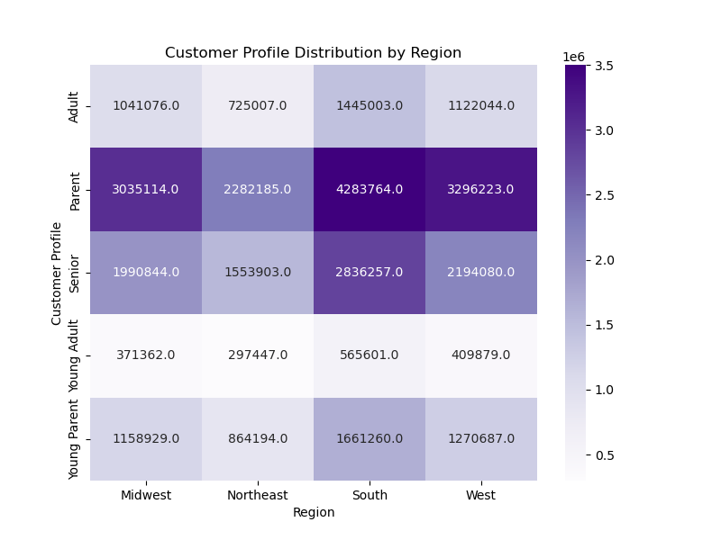
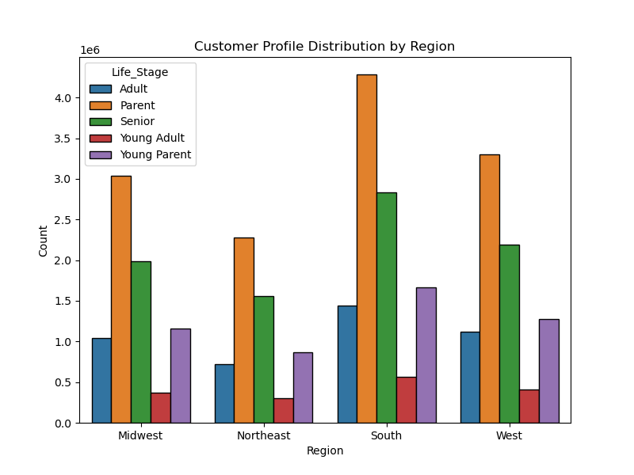
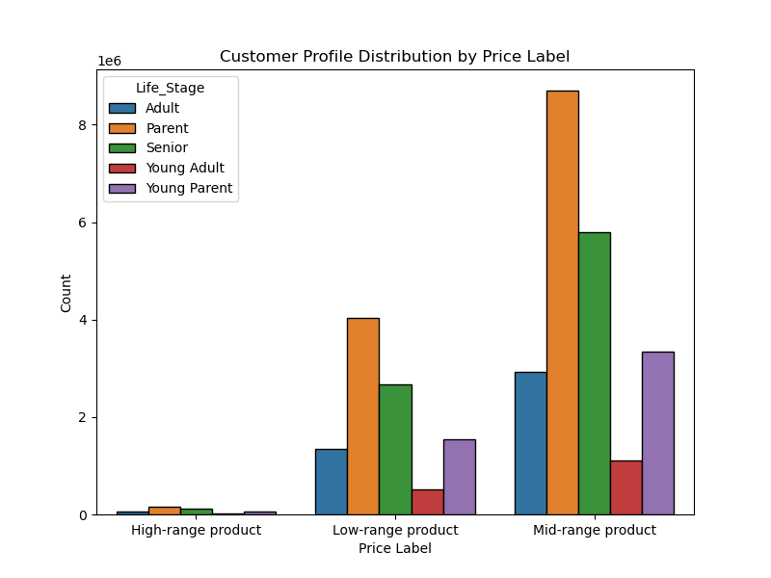
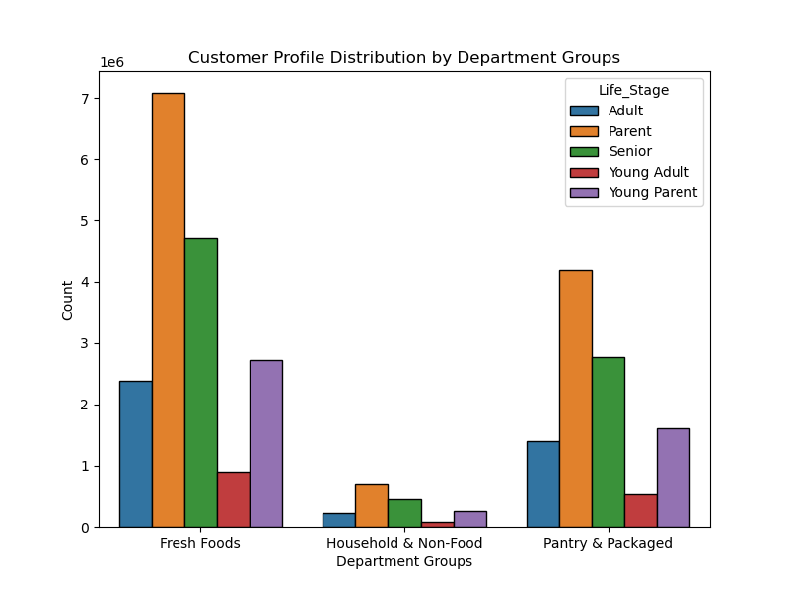
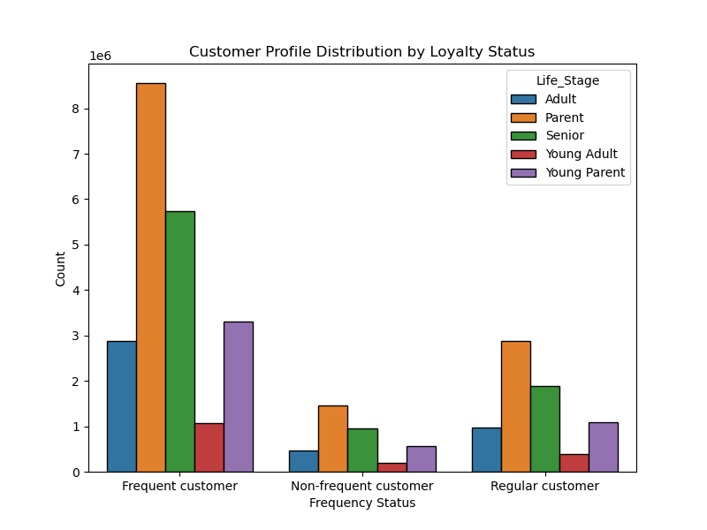
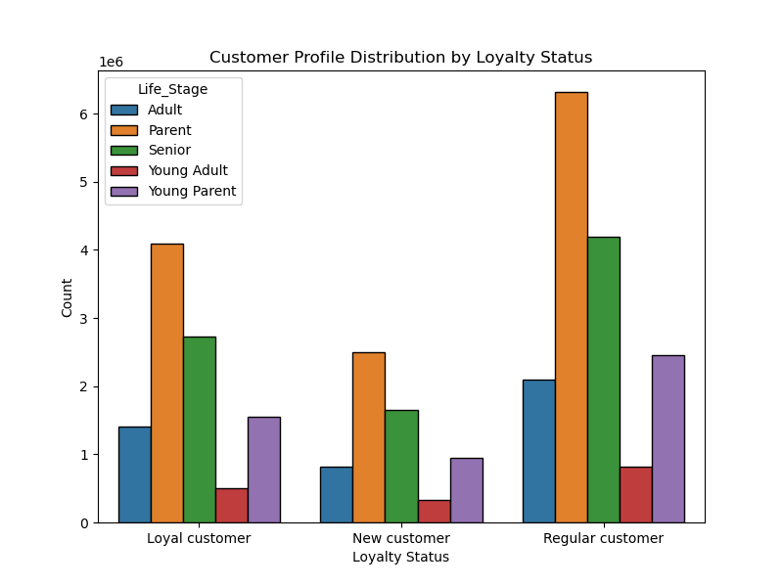
 | Title page

Visualisations

What are the busiest days/times for Instacart?
Instacart tends to be the most profitable on Friday. Additionally, the highest average amount spent is between the hours of 12am-8am.
Instacart orders predominately take place between 8am-5pm on Sunday or Monday.

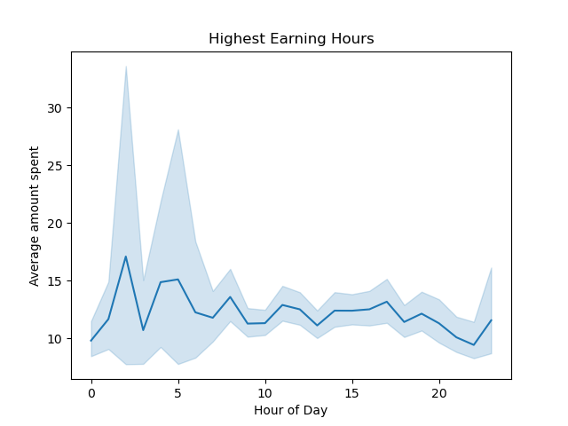
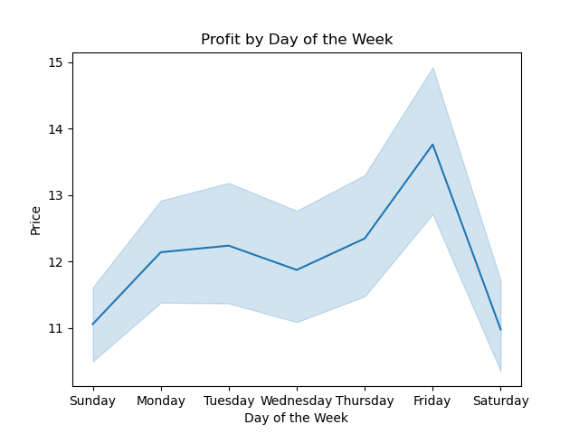

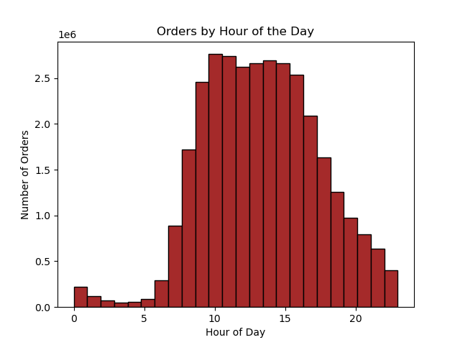
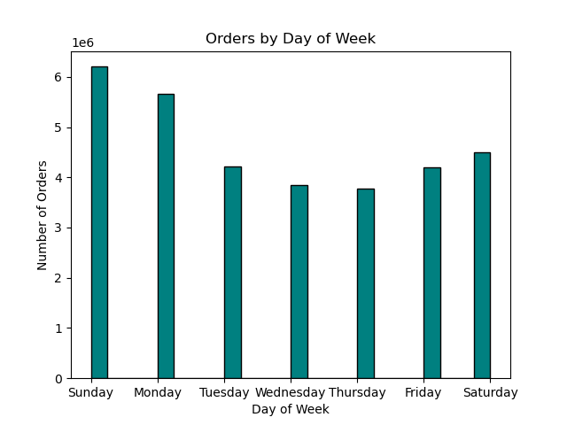

What products are the most popular?
The most popular products are from Produce, Dairy/Eggs, Beverages, Frozen Food, and Snack departments.
The most common products being from the produce department.

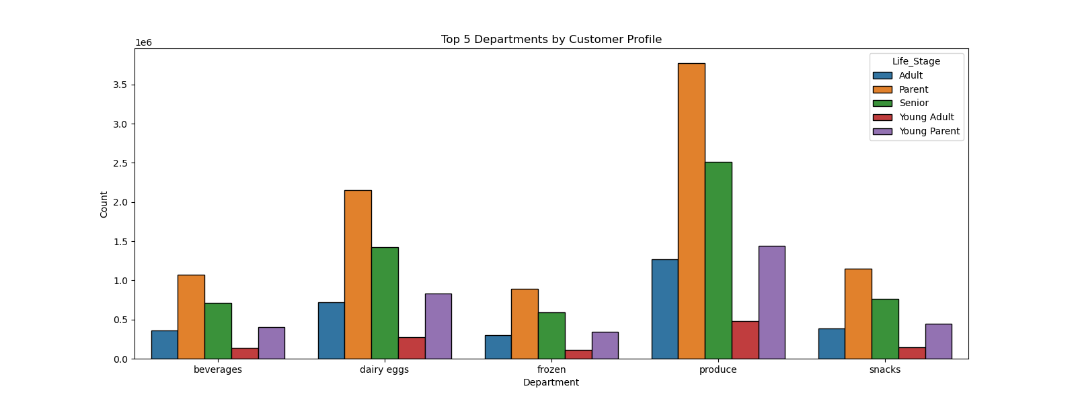

What is the Distribution of Brand Loyalty?
Customer loyalty is how often they order. Loyal > 40 orders, New customers <10 orders, Regular Customers 10-39 orders.
Frequency flag uses median days since last order: frequent customer in last 10 days, those between 10 and 20 are Regular customers Finally, Over 20 is a non-frequent customer.

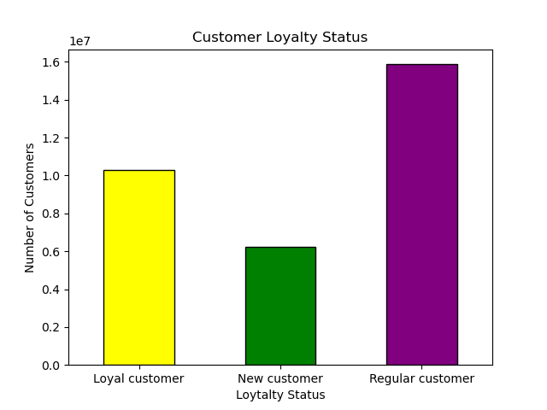
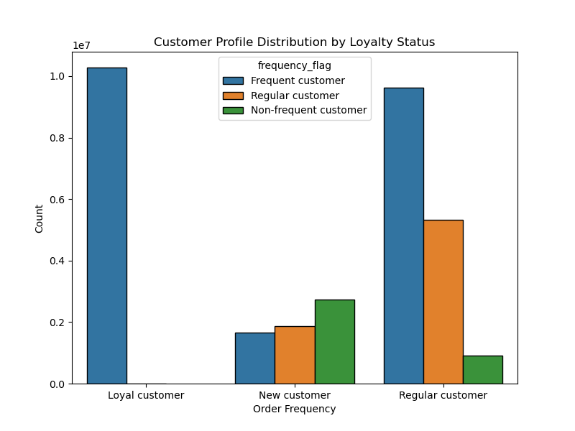

Are there differences in ordering habits based on customer's loyalty status?
Customer loyalty does not have a big impact on this. The left two graphs shows average spent by day of the week and hour of the day. The right graphs shows the number of orders for each.

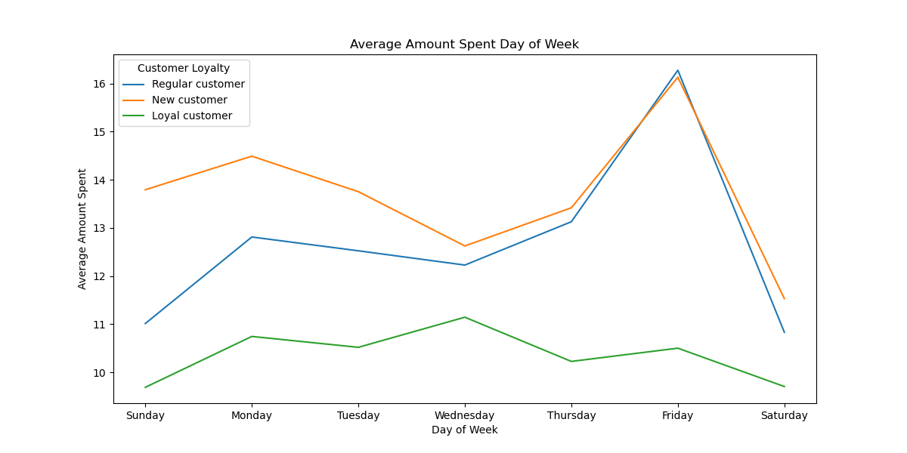
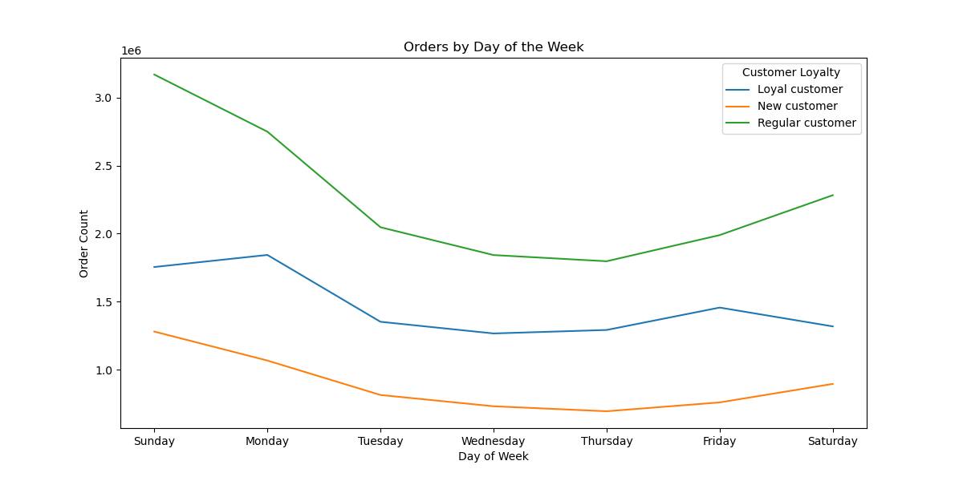

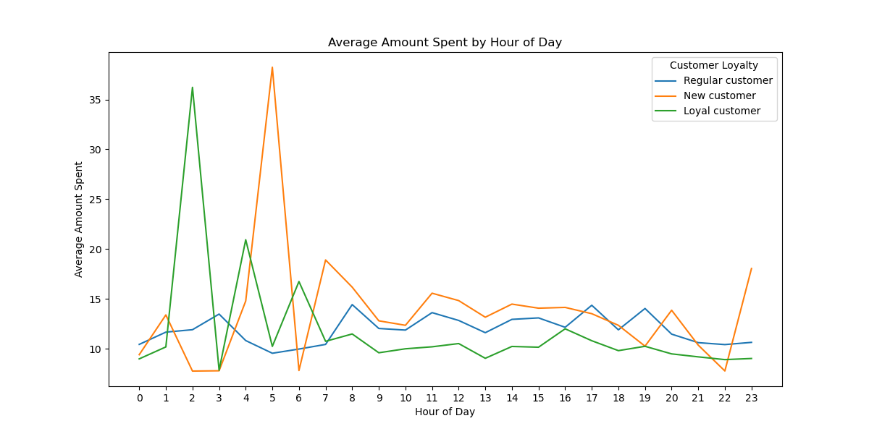
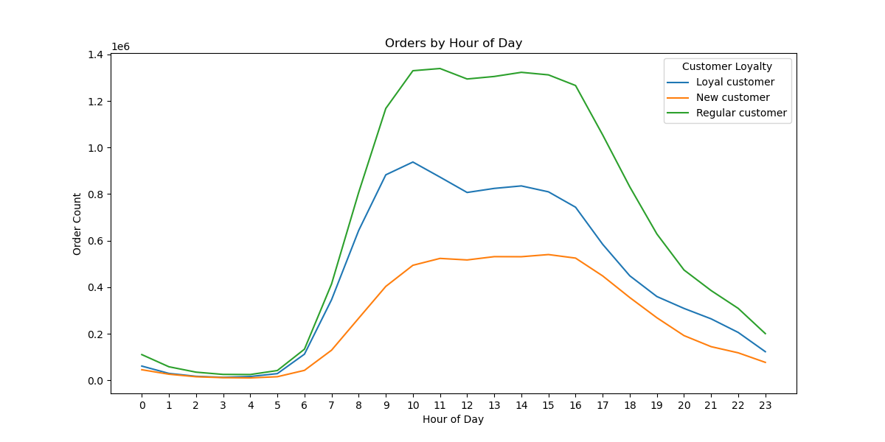

Are there differences in ordering habits based on region?
There are differences in spending by region. The average amount spent dips on Wednesday for both the Midwest and the South. The hour of day data is a bit sporadic but it continues to have high orders during the early morning except in the North East.
There are increases in the number of orders in the South compared to the Northeast.

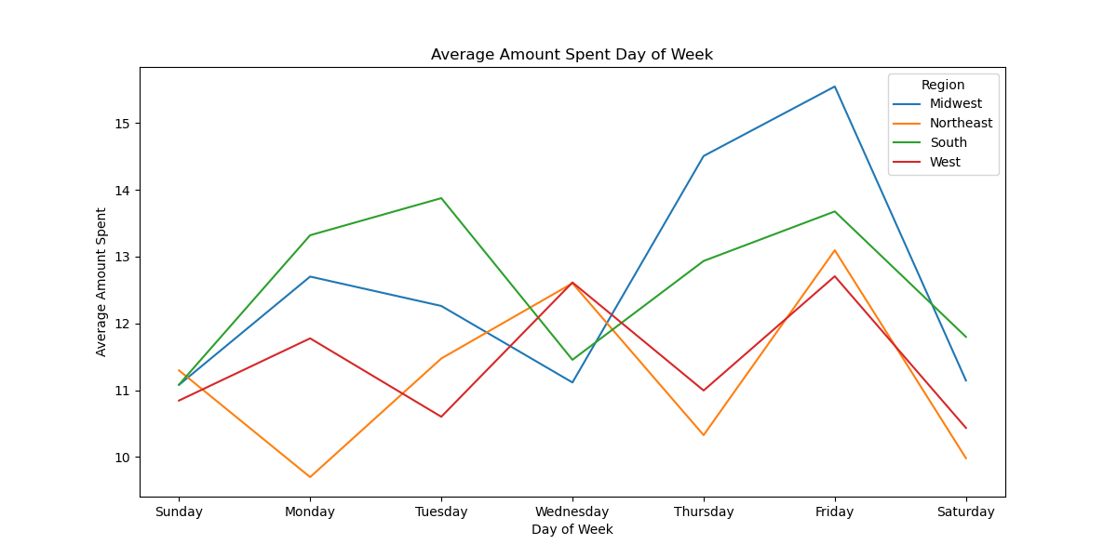
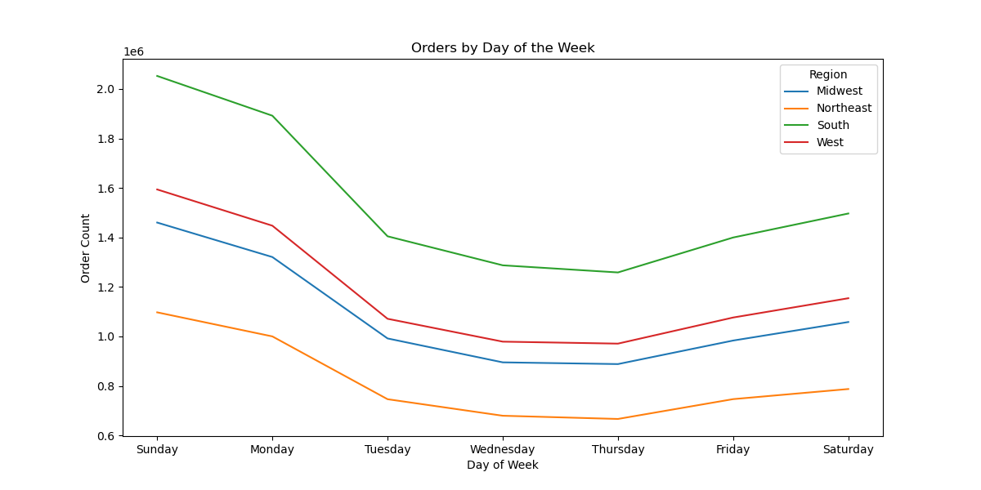

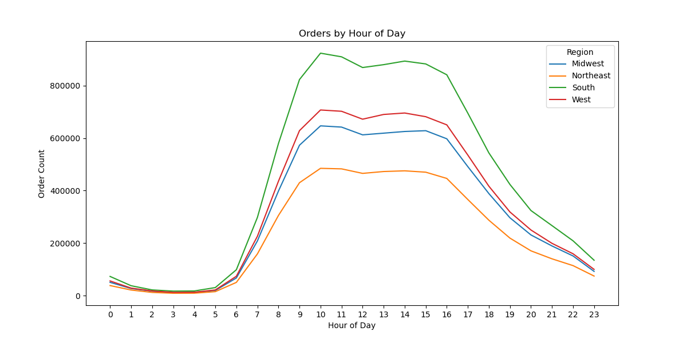
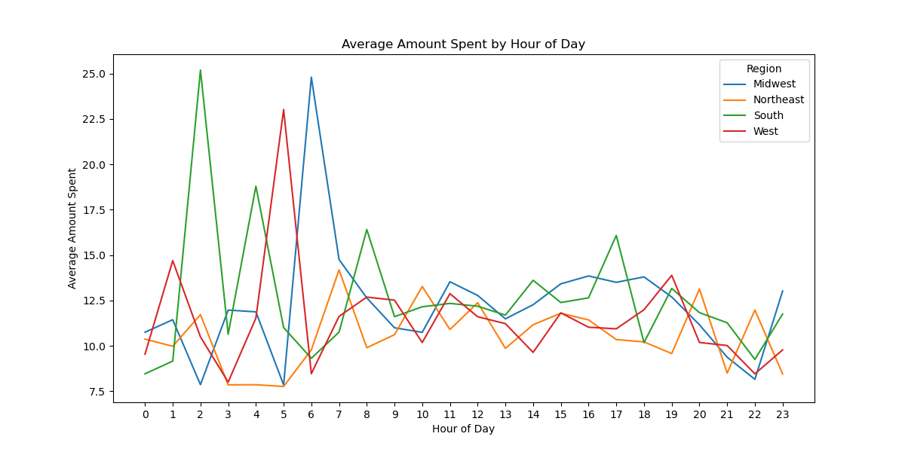

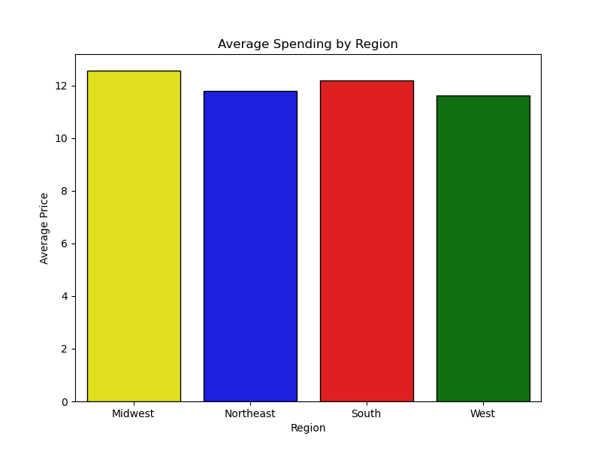
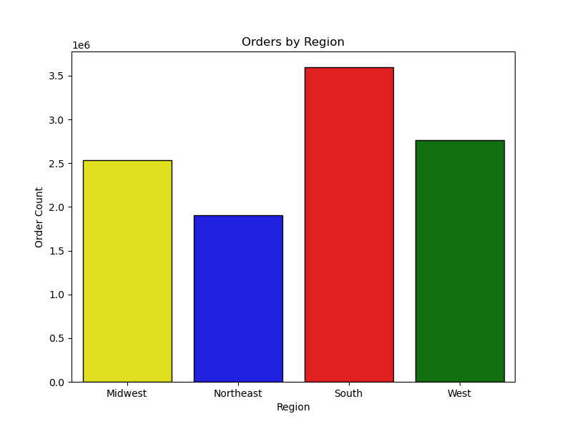

Is there a connection between age and family status of ordering habits?
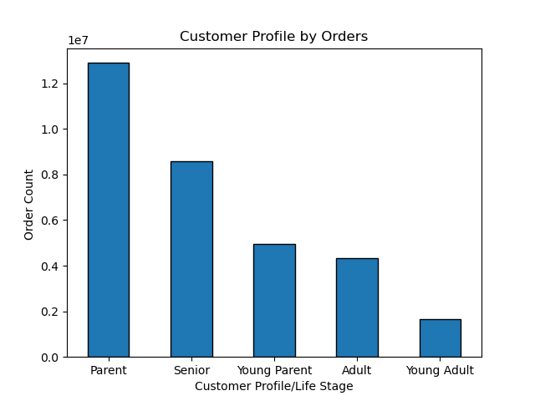

Parent is defined as anyone between 31-65 who has a depedent.
Senior is over the age of 65.
Young parent is 30 or younger with a dependent.
Adult is anyone between 31-65 without a dependent.
Young Adult is anyone 30 or younger without a dependent.
Parents and seniors are the most common to purchase using Instacart.

What does the demographic information suggest?
The number of dependents varies throughout the lifecourse for those included in this data. Age and income show common trends where the older people tend to be more wealthy.

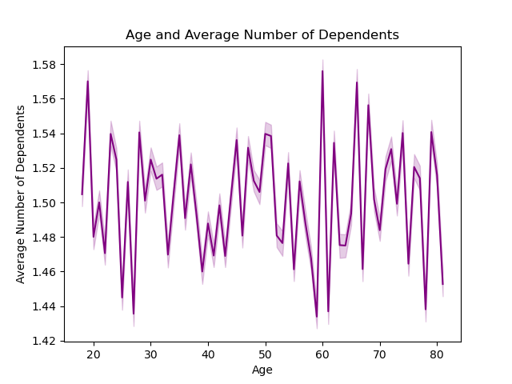


What differences exist between customer profiles?
Customer Profiles are determined by age and dependents primarily. They show that Parents and Seniors are the most common customers.
There are slight regional differences between users but Instacart tends to be a bit more populer in the South.
The majority of customers purchase items that are priced in the medium price range, especially Parents.
It is more common for a regular/loyal customer to be a parent or senior.
Most of the foods being purchased are either fresh foods or pantry/snack foods. the variation for these purchases seems to follow the large trend that these specific customer profiles are the most common users of the app.

7. Recommendations
 |  | Title page

Recommendations

What is the best time to schedule ads where there are fewest orders?

Summary: | Recommendation:
Most orders take place between between the hours of 8:00am and 5:00pm with the most common days being Sunday and Monday.
However, the highest priced orders are between 12:00am-5:00am with the highest average price days being Friday.
Targeted advertisment should be deployed on Tuesday through Thursday and in the evening after 5:00pm. These dates and time are recommended for gaining additional orders for those that may have forgotten about the app/service.
NOTE: The high average price per order on Fridays may suggest that Instacart is used to help prepare for weekend events. This could be an important marketing strategy to explore further.

What products are the most popular?

Summary: | Recommendation:
The most popular products are from the Produce, Dairy/Eggs, Snacks, Beverages, and Frozen Food departments.
Products that perish quickly are the most regularly purchased items. The breakdown below shows how different customer profiles prefer each of these products.
Offering discounts on these items may attract more customers to use the app intially and become repeat customers.

What does brand loyalty look like among users?

 | Summary:
The majority of users have completed at least 10 orders on this service. The most important users are those that are loyal customers with over 40 orders.

 | Recommendation:

While a regular customer makes up the majority of the orders, the loyal customer is a frequent user of the platform.
The chart here shows that all frequent customers are loyal customers.
Surveying these users could help identify what factors can shift other regular users to become brand reliant on Instacart.

Are there differences in ordering habits based on customer's loyalty status?

Summary: | Recommendation:
There are few differences in the number of orders for customer loyalty status. Most customers follow the same trend with orders place primarily on Sunday/Monday.
Customer loyalty does impact the amount of money spent on Friday. New or Regular customers are far more likely to spend a higher average amount on items on Friday. This may again be related to home event hosting or some other draw these larger purchases.

Are there differences in ordering habits based on region?

Summary: | Recommendation:
There are more orders from the South.
The fewest orders comes from the Northeast.
There are no differences in day or time between regions.
Tailored marketing should be designed for those populating the Northeast. This region has much fewer orders than the others .
The peak in average sale price on Friday is significant in the Midwest. This may be dirivng some of the data from the previous figures listed above. Sales or promotions around this could increase the midwest userbase.

Is there a connection between age and familty status in terms of ordering?

 | Summary:
There are large differences between family status/age and ordering through Instacart. Parents and Seniors are more likely to use this service.

 | Recommendation:
The app alleivates the burden of shopping for products for the users. The populations that have limitations to grocery shopping are more likely to use the app. Parents are limited largely by their family's schedule while seniors are limited physically getting to and from the store and carrying the items.
The marketing team should continue to emphasize how this product can assist parents in their busy lives and help olders persons at they stay retired and relaxed.

How does age impact the customer?

 | Summary:
Age is a primary factor for determining a target audience. The older a customer is the more income/wealth they have.

 | Recommendation:
The marketing team should target individuals who have the means to purchase using the app and the fees associated with it.
The targeted marketing should look to market towards adults who are over the age of 40 as their wealth/income improves dramatically at that point.

What are the ordering habits of different customer profiles?

Summary: | Recommendation:
Parents and Seniors are the most frequent users of the app. These customers tend to also be Frequent customers meaning they are ordering on a routine basis.
Other factors show only subtle differences between customer profiles.
The importance of this analysis show that the frequent customer is likely a parent or senior. They are using the app frequently to alleviate the burden of shopping themselves.
There are few regional differences for these customers. The south in general has a larger userbase than the other areas of the United States. Marketing should look to target these significant groups that drive the majority of sales/orders on the app.

